01_The 19th Hole
Price vs Demand
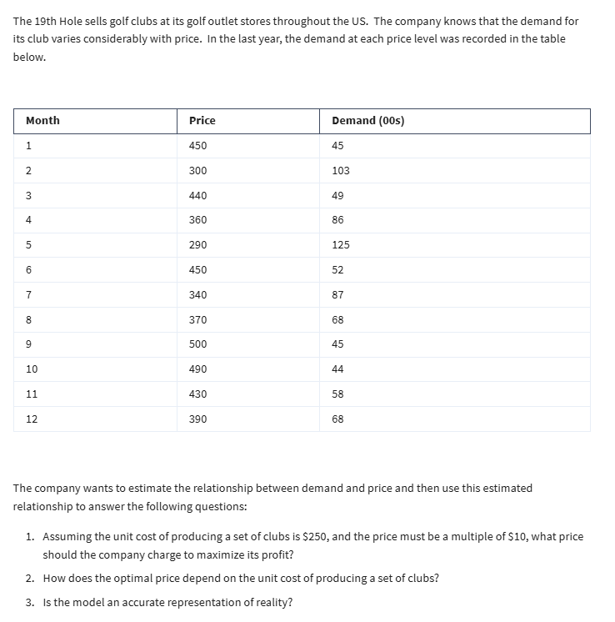
Month | Price | Demand (00s)
1 | 450 | 45
2 | 300 | 103
3 | 440 | 49
4 | 360 | 86
5 | 290 | 125
6 | 450 | 52
7 | 340 | 87
8 | 370 | 68
9 | 500 | 45
10 | 490 | 44
11 | 430 | 58
12 | 390 | 68

Linear: y=mx+b |  | Power: y=ax^b |  | Exponential: y=ae^(bx)
Intercept | 211.31 | Constant a | 5,871,064.00 | Constant a | 466.51
Slope | -0.3546 | Exponent b | -1.908 | Exponent b | -0.005

Predictions based on Models
 | Prediction |  |  | Absolute Diff
Price | Linear | Power | Exponential | Linear | Power | Exponential
450 | 51.74 | 50.86 | 49.17 | 15.0% | 13.0% | 9.3%
300 | 104.93 | 110.25 | 104.09 | 1.9% | 7.0% | 1.1%
440 | 55.29 | 53.09 | 51.69 | 12.8% | 8.3% | 5.5%
360 | 83.65 | 77.86 | 77.11 | 2.7% | 9.5% | 10.3%
290 | 108.48 | 117.61 | 109.43 | 13.2% | 5.9% | 12.5%
450 | 51.74 | 50.86 | 49.17 | 0.5% | 2.2% | 5.4%
340 | 90.75 | 86.83 | 85.22 | 4.3% | 0.2% | 2.0%
370 | 80.11 | 73.89 | 73.35 | 17.8% | 8.7% | 7.9%
500 | 34.01 | 41.60 | 38.29 | 24.4% | 7.6% | 14.9%
490 | 37.56 | 43.23 | 40.26 | 14.6% | 1.7% | 8.5%
430 | 58.83 | 55.47 | 54.34 | 1.4% | 4.4% | 6.3%
390 | 73.02 | 66.83 | 66.37 | 7.4% | 1.7% | 2.4%

 |  |  | Mean Absolute Error | 9.7% | 5.9% | 7.2% | Use model with smallest error

Price vs Profit
Model the Business |  |  |  |  | Price | Profit
Unit Cost | 250 | per set of clubs |  |  |  | 985,104.42
Sales Price | 700 | multiple of 10 |  |  | 260 | 144,859.73
Demand | 21.89 | from power model |  |  | 270 | 269,590.60
Actual Demand | 2,189.12 |  |  |  | 280 | 377,277.19
 |  |  |  |  | 290 | 470,458.62
Revenue | 1,532,384.65 |  |  |  | 300 | 551,238.40
Cost | 547,280.23 |  |  |  | 310 | 621,369.53
Profit | 985,104.42 |  |  |  | 320 | 682,320.93
 |  |  |  |  | 330 | 735,329.86
 |  |  |  |  | 340 | 781,443.44
 |  |  |  |  | 350 | 821,551.87
 |  |  |  |  | 360 | 856,415.12
 |  |  |  |  | 370 | 886,684.61
 |  |  |  |  | 380 | 912,920.72
 |  |  |  |  | 390 | 935,607.25
 |  |  |  |  | 400 | 955,163.26
 |  |  |  |  | 410 | 971,952.85
 |  |  |  |  | 420 | 986,293.32
 |  |  |  |  | 430 | 998,461.92
 |  |  |  |  | 440 | 1,008,701.60
 |  |  |  |  | 450 | 1,017,225.72
 |  |  |  |  | 460 | 1,024,222.16
 |  |  |  |  | 470 | 1,029,856.66
 |  |  |  |  | 480 | 1,034,275.82
 |  |  |  |  | 490 | 1,037,609.49
 |  |  |  |  | 500 | 1,039,972.98
 |  |  |  |  | 510 | 1,041,468.81
 |  |  |  |  | 520 | 1,042,188.31
 |  |  |  |  | 530 | 1,042,213.00
 |  |  |  |  | 540 | 1,041,615.70
 |  |  |  |  | 550 | 1,040,461.60
 |  |  |  |  | 560 | 1,038,809.12
 |  |  |  |  | 570 | 1,036,710.67

02_Gopher Drugs
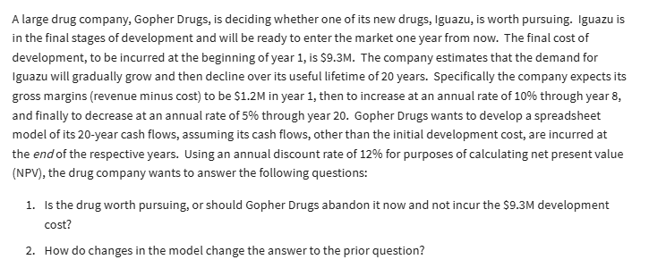
Gopher Drugs
 |  |  | Cash Flows
Development Cost | 9.3 | millions | End of year | Gross margin
Lifetime | 20 | years | 1 | $1.200
Year 1 Margin | 1.2 | millions | 2 | $1.320
Inc through year | 8 |  | 3 | $1.452
Rate of increase | 10% |  | 4 | $1.597
Rate of decrease | 5% |  | 5 | $1.757
Discount rate | 12% |  | 6 | $1.933
 |  |  | 7 | $2.126
Present Value | $12.60 |  | 8 | $2.338
NPV | $3.30 |  | 9 | $2.222
 |  |  | 10 | $2.110
 |  |  | 11 | $2.005
 |  |  | 12 | $1.905
 |  |  | 13 | $1.809
 |  |  | 14 | $1.719
 |  |  | 15 | $1.633
 |  |  | 16 | $1.551
 |  |  | 17 | $1.474
 |  |  | 18 | $1.400
 |  |  | 19 | $1.330
 |  |  | 20 | $1.264

